Notes on Use
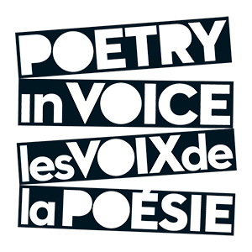 School Contest Score Calculator

Judges complete paper scoresheets for each student recitation and provide them to tabulator.
Each numbered sheet represents a student in the competition, up to a maximum of 20.
All cells are locked except for cells requiring data entry or selection (highlighted in grey).
Students may compete in the following Prize Streams: | English | 2 English poems
 | Bilingual | 1 English poem, 1 French poem
 | French | 2 French poems
"Final Scores" sheet automatically calculates overall scores.
Top 2 scores in each Prize Stream will be highlighted.

Data entry (grey cells):

Final Scores worksheet:
Enter "Event Date" and "Event Location."

Numbered worksheets:
Enter student's name; one student per sheet.
Choose student's Prize Stream (English, Bilingual, or French).
Enter poem titles.
Enter scores; an error message will appear if score is not allowed number.

Note: Please ensure all original judges' forms are retained in case of technical issue.

2


Contest Evaluation Sheet

Name of Student
Prize Stream

Round 1

Title of Poem

Scoring Criteria | Judge 1 | Judge 2 | Judge 3 |  | Developing | Satisfactory | Good | Excellent | Outstanding
Physical Presence |  |  |  |  | 6 | 7 | 8 | 9 | 10
Voice and Articulation |  |  |  |  | 6 | 7 | 8 | 9 | 10
Evidence of Understanding |  |  |  |  | 6 | 7 | 8 | 9 | 10
Interpretation |  |  |  |  | 6 | 7 | 8 | 9 | 10
Overall Performance |  |  |  |  | 12 | 14 | 16 | 18 | 20
Sub-Total (60 points max) | 0 | 0 | 0
Final Accuracy Score (8 points max) |  | 0 | 0
FINAL SCORE - Round 1 | 0 | 0 | 0 | 0

Round 2

Title of Poem

Scoring Criteria | Judge 1 | Judge 2 | Judge 3 |  | Developing | Satisfactory | Good | Excellent | Outstanding
Physical Presence |  |  |  |  | 6 | 7 | 8 | 9 | 10
Voice and Articulation |  |  |  |  | 6 | 7 | 8 | 9 | 10
Evidence of Understanding |  |  |  |  | 6 | 7 | 8 | 9 | 10
Interpretation |  |  |  |  | 6 | 7 | 8 | 9 | 10
Overall Performance |  |  |  |  | 12 | 14 | 16 | 18 | 20
Sub-Total (60 points max) | 0 | 0 | 0 |  |  |  |  |  |  | 8
Final Accuracy Score (8 points max) |  | 0 | 0
FINAL SCORE - Round 2 | 0 | 0 | 0 | 0

Event Date | 0
Event Location | 0

